Milstone
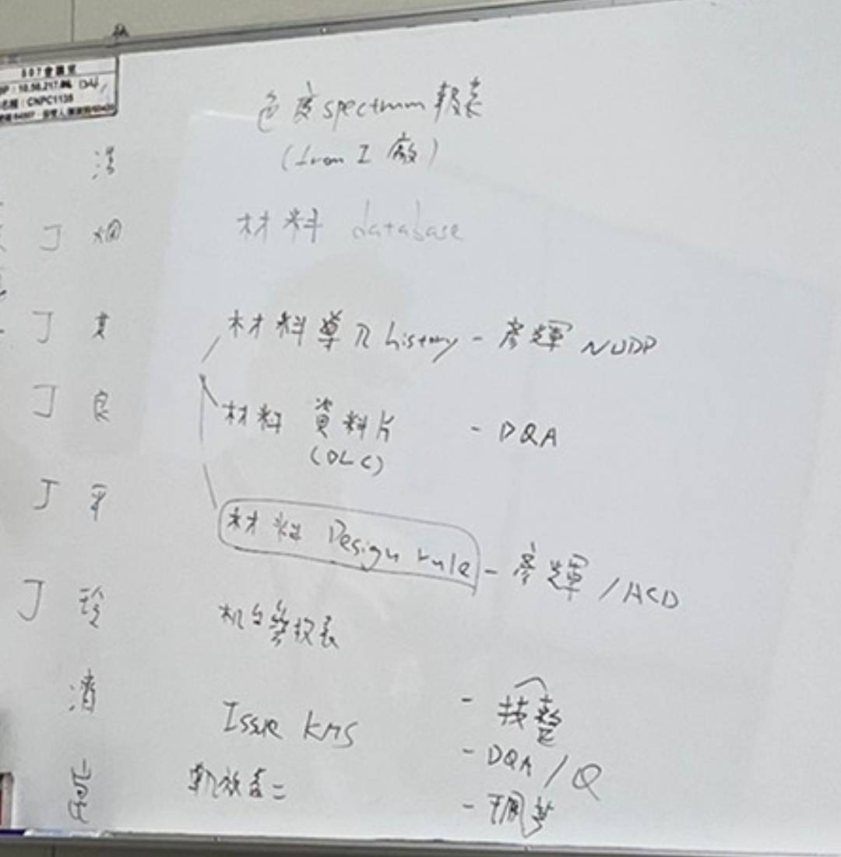
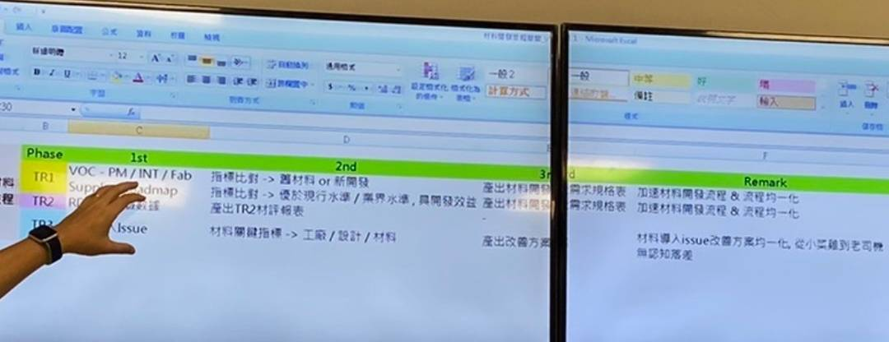

LTS
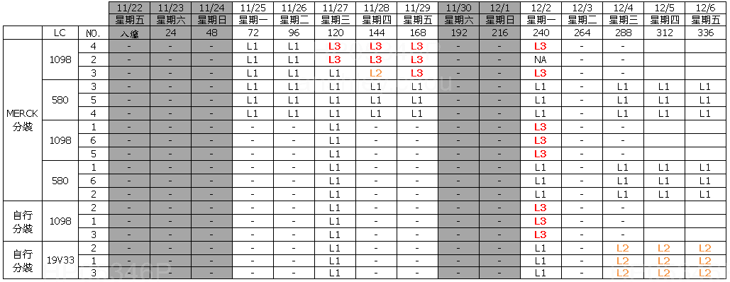
 | X |  |  |  |  |  |  |  | Y1 | Y2
 | LC | PI | Sealant | 執行Vender | Measure condition (Bulk/Test Cell) | Measure condition (SLV%, Fresh=100%) | Measure condition (Jar test add on Sealant) | Measure condition (℃) | LTS result (1st NG Day) | LTO result (有黑屏: NG) | File source
V | SLC19V33 | N.A. | N.A. | Slichem | Bulk | 100% | 723K1M | -20 | ³10 | N.A. | 6512_19V33_LTS-40_20200902.xlsx
V | SLC19V33 | N.A. | N.A. | Slichem | Bulk | 100% | 723K1M | -30 | ³10 | N.A. | 6512_19V33_LTS-40_20200902.xlsx
V | SLC19V33 | N.A. | N.A. | Slichem | Bulk | 100% | 723K1M | -40 | 7 | N.A. | 6512_19V33_LTS-40_20200902.xlsx
V | SLC19V33 | SE-7492 | XN-5490H | Slichem | Test Cell | 100% | 723K1M | -30 | ³10 | Pass | 6512_19V33_LTS-40_20200902.xlsx
V | SLC19V33 | SE-7492 | XN-5490H | Slichem | Test Cell | 100% | 723K1M | -40 | 8 | Pass | 6512_19V33_LTS-40_20200902.xlsx
V | SLC19V33 | SE-7492 | XN-5490H | Slichem | Test Cell | 100% | 723K1M | -50 | 3 | Pass | 6512_19V33_LTS-40_20200902.xlsx
V | LCT-15-1098 | N.A. | N.A. | Slichem | Bulk | 100% | 723K1M | -20 | ³10 | N.A. | 6512_19V33_LTS-40_20200902.xlsx
V | LCT-15-1098 | N.A. | N.A. | Slichem | Bulk | 100% | 723K1M | -30 | ³10 | N.A. | 6512_19V33_LTS-40_20200902.xlsx
V | LCT-15-1098 | N.A. | N.A. | Slichem | Bulk | 100% | 723K1M | -40 | 5 | N.A. | 6512_19V33_LTS-40_20200902.xlsx
V | LCT-15-1098 | SE-7492 | XN-5490H | Slichem | Test Cell | 100% | 723K1M | -30 | ³10 | N.A. | 6512_19V33_LTS-40_20200902.xlsx
V | LCT-15-1098 | SE-7492 | XN-5490H | Slichem | Test Cell | 100% | 723K1M | -40 | 8 | N.A. | 6512_19V33_LTS-40_20200902.xlsx
V | LCT-15-1098 | SE-7492 | XN-5490H | Slichem | Test Cell | 100% | 723K1M | -50 | 2 | N.A. | 6512_19V33_LTS-40_20200902.xlsx
V | SLC19V33 | N.A. | N.A. | Slichem | Bulk | 95% | N.A. | -20 | ³10 | N.A. | 6512_19V33_LTS-40_20200902.xlsx
V | SLC19V33 | N.A. | N.A. | Slichem | Bulk | 95% | N.A. | -30 | ³12 | N.A. | 6512_19V33_LTS-40_20200902.xlsx
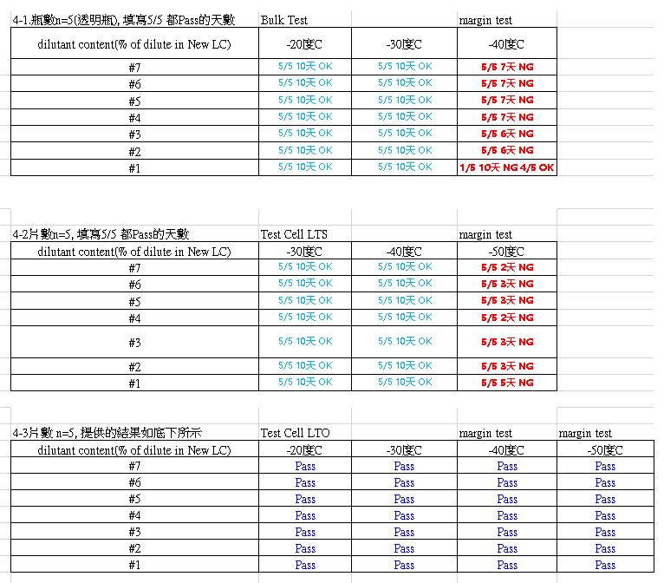
V | SLC19V33 | N.A. | N.A. | Slichem | Bulk | 95% | N.A. | -40 | 3 | N.A. | 6512_19V33_LTS-40_20200902.xlsx
V | SLC19V33 | SE-7492 | XN-5490H | Slichem | Test Cell | 95% | N.A. | -30 | ³10 | Pass | 6512_19V33_LTS-40_20200902.xlsx
V | SLC19V33 | SE-7492 | XN-5490H | Slichem | Test Cell | 95% | N.A. | -40 | ³12 | Pass | 6512_19V33_LTS-40_20200902.xlsx
V | SLC19V33 | SE-7492 | XN-5490H | Slichem | Test Cell | 95% | N.A. | -50 | 2 | Pass | 6512_19V33_LTS-40_20200902.xlsx
V | SLC19V33 | N.A. | N.A. | Slichem | Bulk | 90% | N.A. | -20 | ³10 | N.A. | 6512_19V33_LTS-40_20200902.xlsx
V | SLC19V33 | N.A. | N.A. | Slichem | Bulk | 90% | N.A. | -30 | ³12 | N.A. | 6512_19V33_LTS-40_20200902.xlsx
V | SLC19V33 | N.A. | N.A. | Slichem | Bulk | 90% | N.A. | -40 | 5 | N.A. | 6512_19V33_LTS-40_20200902.xlsx
V | SLC19V33 | SE-7492 | XN-5490H | Slichem | Test Cell | 90% | N.A. | -30 | ³10 | Pass | 6512_19V33_LTS-40_20200902.xlsx
V | SLC19V33 | SE-7492 | XN-5490H | Slichem | Test Cell | 90% | N.A. | -40 | ³12 | Pass | 6512_19V33_LTS-40_20200902.xlsx
V | SLC19V33 | SE-7492 | XN-5490H | Slichem | Test Cell | 90% | N.A. | -50 | 2 | Pass | 6512_19V33_LTS-40_20200902.xlsx
V | SLC19V33 | N.A. | N.A. | Slichem | Bulk | 85% | N.A. | -20 | ³10 | N.A. | 6512_19V33_LTS-40_20200902.xlsx
V | SLC19V33 | N.A. | N.A. | Slichem | Bulk | 85% | N.A. | -30 | ³12 | N.A. | 6512_19V33_LTS-40_20200902.xlsx
V | SLC19V33 | N.A. | N.A. | Slichem | Bulk | 85% | N.A. | -40 | 5 | N.A. | 6512_19V33_LTS-40_20200902.xlsx
V | SLC19V33 | SE-7492 | XN-5490H | Slichem | Test Cell | 85% | N.A. | -30 | ³10 | Pass | 6512_19V33_LTS-40_20200902.xlsx
V | SLC19V33 | SE-7492 | XN-5490H | Slichem | Test Cell | 85% | N.A. | -40 | ³12 | Pass | 6512_19V33_LTS-40_20200902.xlsx
V | SLC19V33 | SE-7492 | XN-5490H | Slichem | Test Cell | 85% | N.A. | -50 | 2 | Pass | 6512_19V33_LTS-40_20200902.xlsx
V | LCT-15-1098 | N.A. | N.A. | INX | Bulk | 100% | N.A. | -30 | 10 | N.A. | Bulk LTS.xlsx
V | LCT-19-580 | N.A. | N.A. | INX | Bulk | 100% | N.A. | -30 | ³14 | N.A. | Bulk LTS.xlsx
V | SLC19V33 | N.A. | N.A. | INX | Bulk | 100% | N.A. | -30 | 12 | N.A. | Bulk LTS.xlsx

